ETCS-OB
ID | Title | Description | Agreed Values | Classification | Rationale | Remark | Review Feedback
 | System context
CCSOB-4078 | System context and data exchanges |  | n/a | Information | For Information purposes only
 | The following block diagram shows the ETCS On-board (ETCS-OB) in context of the CCS-OB subsystem, and other relevant vehicle and track side systems. The block diagram depicts all data exchange within the scope of the ETCS-OB. All data exchanges for which requirements exist in this document, are identified by a number. Remark: to ensure the readability of the diagram, data exchanges used by multiple systems are depicted in half circles and interfaces offered to multiple systems are depicted in full circles. For a brief description of system(s) under consideration, external systems, and actors, refer to chapter 5 Terms, definitions & abbreviations. When referencing data exchanges in this document, the following format is used: [data exchange ID] e.g. [01].Unidirectional / bidirectional in the context of the below table refers to the main dataflow and not to the specific protocols used.
 | 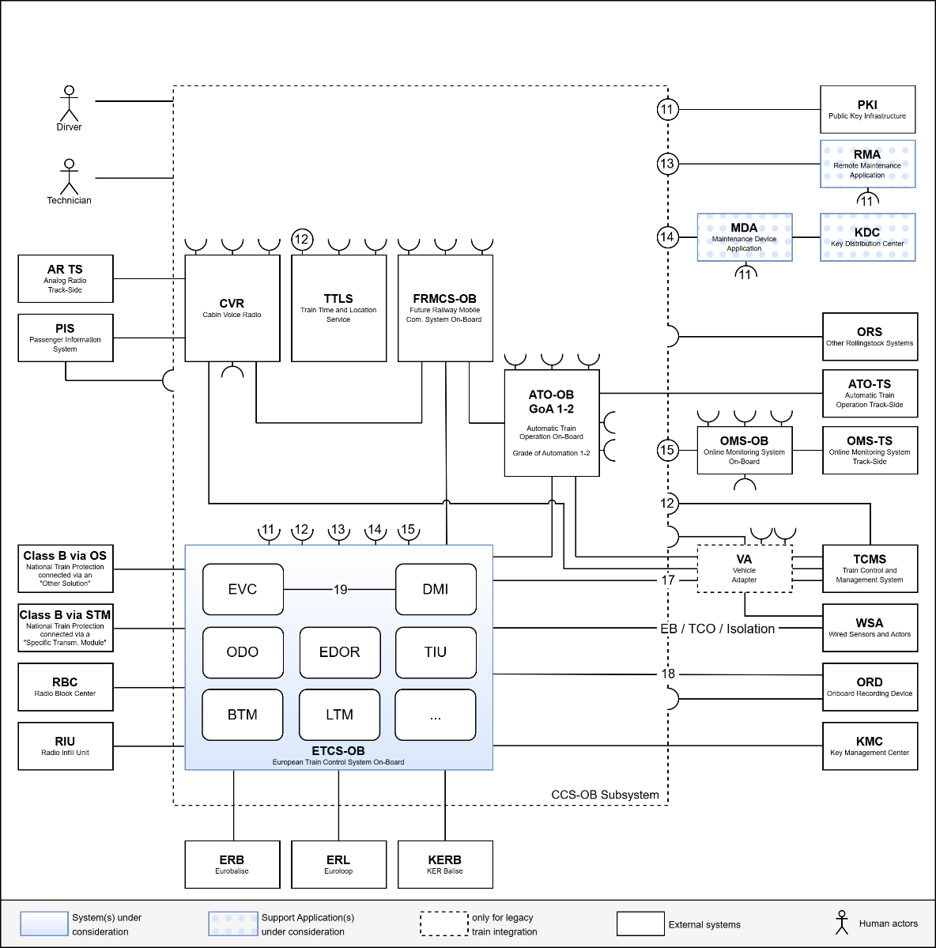 |  |  | 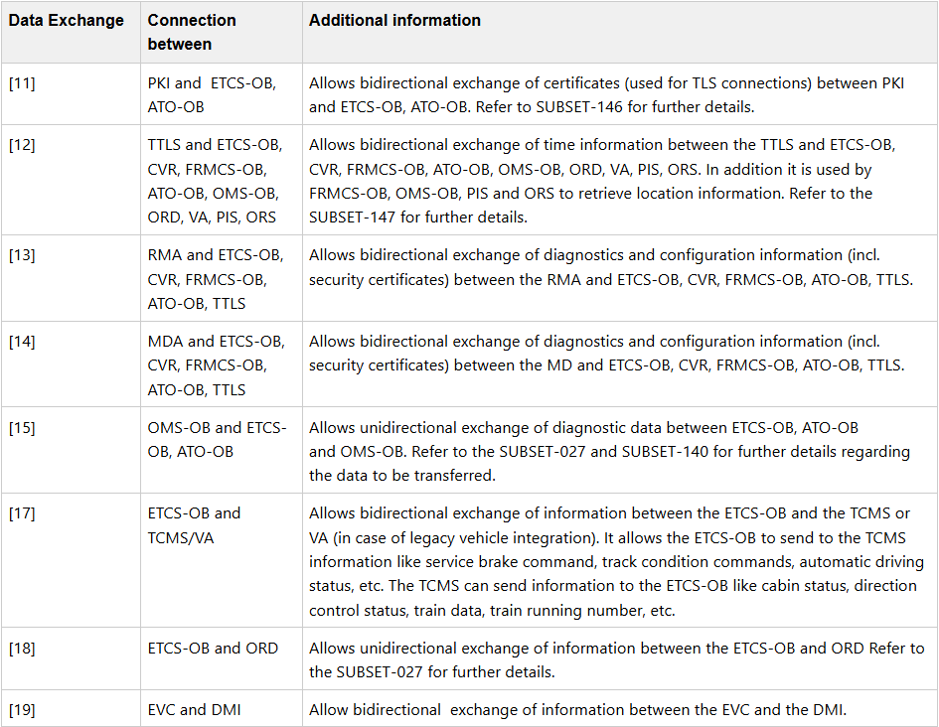
6.2 | Communication requirements
6.2.1 | CCS Consist Network (CCN)
CCSOB-4079 | Compliance with SUBSET-147 - external interfaces | The ETCS-OB shall comply with the requirements of SUBSET-147 as defined for "newly developed vehicle designs" when exchanging information over [11], [12], [13], [14], [15], [17], [18]. Hence, the communication technology shall comply with the Ethernet CCS Consist Network as defined in chapter 8 of SUBSET-147. CAN and MVB solutions are not allowed. | n/a | Requirement | * One unambiguous standard on OSI layers 1-2 facilitates interchangeability and expandability. | * SUBSET-147 is a mandatory specification of the TSI-CCS. However, the transition regime allows not to comply with SUBSET-147 for a certain period of time. * According to SUBSET-147 the standard Ethernet CCS consist network is only mandatory for newly developed vehicle designs. * This requirement closes the ambiguity in the current version of the TSI-CCS and SUBSET-147. * The requirement facilitates interchangeability for life-cycle upgrades. * This requirements facilitates expandability for functional enhancements (e.g. adding ATO).
CCSOB-4323 | Compliance with SUBSET-147 - internal interface | The EVC component of the ETCS-OB shall comply with the requirements of SUBSET-147 as defined for "newly developed vehicle designs" when exchanging information over [19] with the DMI component. Hence, the communication technology shall comply with the Ethernet CCS Consist Network as defined in chapter 8 of SUBSET-147. CAN and MVB solutions are not allowed. | n/a | Optional Requirement | * To allow the DMI suppliers to reduce their product variety. * To pave the way for a standardised DMI solution.
CCSOB-4080 | CCN-Ethernet connected end device | The ETCS-OB shall comply with OCORA-TWS02-030 Addendum to SUBSET-147 (CCN) , chapter 2.1 Connected End Devices. | n/a | Requirement | * One unambiguous standard on OSI layers 3-6 facilitates interchangeability and expandability * To have a common transport and session layer specification for CCS process data.
CCSOB-4081 | Identify and disclose additional data exchanges and communication technologies | Data exchanges utilized by the ETCS-OB that are not represented in the diagram of CCSOB-4078 shall be documented in a Data Exchange Specification, including details on the corresponding communication technology used. | n/a | Requirement | * To have all information needed to allow a third party to implement the interface without the assistance of the original supplier.
6.2.2 | Data exchanges
CCSOB-4084 | Comply with the time synchronisation protocol | The ETCS-OB shall comply with the time synchronisation protocol as defined in SUBSET-147 when synchronising its time via interface [12] with the TTLS. | n/a | Requirement | * Ensures that all systems of the CCS-OB use a common time server and hence have a synchronised time. * Having a common time base is especially helpful when analysing data originating from different systems.
CCSOB-4361 | Disclosure of RMA Data Exchange Specification | The supplier shall disclose the Data Exchange Specification of the data exchange [13] with the RMA. | n/a | Optional Requirement | * To have all information needed to allow a third party to implement the interface without the assistance of the original supplier
CCSOB-4362 | Disclosure of MDA Data Exchange Specification | The supplier shall disclose the Data Exchange Specification of the data exchange [14] with the MDA. | n/a | Optional Requirement | * To have all information needed to allow a third party to implement the interface without the assistance of the original supplier
CCSOB-4360 | Disclosure of OMS-OB Data Exchange Specification | The supplier shall disclose the Data Exchange Specification of the data exchange [15] with the OMS-OB. | n/a | Optional Requirement | * To have all information needed to allow a third party to implement the interface without the assistance of the original supplier
CCSOB-4082 | Compliance with SUBSET-119 | The ETCS-OB shall comply with SUBSET-119 - Train Interface FFFIS when exchanging data via interface [17] with the TCMS. | n/a | Requirement | * SUBSET-119 is a mandatory specification of the TSI-CCS. However, the transition regime allows not to comply with SUBSET-119 for a certain period of time. * Requesting compliance with SUBSET-119 simplifies a future replacement of the CCS-OB.
CCSOB-4083 | Compliance with OCORA Addendum to SUBSET-119 | The ETCS-OB shall comply with the OCORA-TWS04-015 - Addendum to SUBSET-119 - ETCS On-Board to TCMS Interface when exchanging data via interface [17] with the TCMS. | n/a | Requirement | * To get a standardised and unambiguous implementation of the integration between ETCS on-board and the rollingstock. * To define requirements that have not been considered or where different options have been documented in SUBSET-119. | This OCORA-TWS04-015 - Addendum to SUBSET-119 - ETCS On-Board to TCMS Interface closes gaps left open in the current version of SUBSET-119 - Train Interface FFFIS.
6.2.3 | GSM-R
CCSOB-762 | GSM-R Baseline | The GSM-R ETCS Data Only Radio (EDOR) shall meet as a minimum the specification for GSM-R Baseline 1, Maintenance Release 1. | n/a | Information | For information purposes only | The GSM-R baseline is already defined in the TSI and is here only stated for information.
CCSOB-4569 | Mutual non-interference of GSM-R EDOR and FRMCS | During operations utilizing the GSM-R EDOR system, the ETCS-OB shall operate independently of any restrictions imposed by the FRMCS, especially in the event of a fault or failure within the FRMCS. | n/a | Requirement | To maintain the same level of availability of ETCS-OB as an ETCS-OB equipped with GSM-R EDOR only.
CCSOB-2153 | GSM-R EDOR obsolescence | The ETCS-OB shall allow for permanent isolation or physical removal of the GSM-R EDOR (modem, antenna, etc.) once GSM-R is decommissioned. | n/a | Requirement | To ensure that after decommissioning of GSM-R any faults in these components do not affect the availability of ETCS-OB. | @Contracting Entity: consider including a requirement to cover the cost for removal/permanent isolation.
6.2.4 | FRMCS
CCSOB-4568 | Mutual non-interference of FRMCS and GSM-R EDOR | During operations utilizing the FRMCS, the ETCS-OB shall operate independently of any restrictions imposed by the GSM-R EDOR system, especially in the event of a fault or failure within the GSM-R EDOR system. | n/a | Requirement | To maintain the same level of availability of ETCS-OB as an ETCS-OB equipped with FRMCS only.
6.3 | System requirements
6.3.1 | Baseline and System Version
CCSOB-510 | ETCS-OB Baseline | The ETCS-OB shall meet the specification for ETCS-OB Baseline 4, Release 1. | n/a | Information | For information purposes only | The ETCS-OB baseline is already defined in the TSI and is here only stated for information.
CCSOB-511 | ETCS-OB System Version | The ETCS-OB shall meet at least the specification for system version $$. | Replace $$ by the desired system version: * 3.0 * 2.2 * 2.1 | Requirement | * To define the required functionality level | Choice of system version ($$): 2.1 * Equivalent to baseline 3 release 2 set of specification 3 + CR1370 + maintenance package * currently not supporting FRMCS 2.2 * Equivalent to System Version 2.1 + ATO GoA1/2 * currently not supporting FRMCS 3.0 * System version 3.0 is the lowest version that provides FRMCS readiness. In addition this version is ready for DAC, supervised manoeuvres and ATO. * A longer life time, compared to the other system version is expected. * System version 3.0 has a bigger area of use (trackside system version 1.0-3.0) comparing to the previous system versions.
6.3.2 | Driver Machine Interface (DMI)
CCSOB-4532 | Compliance with UIC 612-0 and UIC 612-01 | In general the DMI of the ETCS-OB shall comply with CCSOB-4570 - Driver Machine Interfaces for EMU/DMU, Locomotives and driving coaches - Functio... and CCSOB-4531 - UIC 612-01 - Display System in driver cabs (DDS) - General requirements, set up... | n/a | Information | * For information purposes only * To ensure all displays in the driver cab comply with same general requirements. | @Contracting Entity: ensure including requirement to comply with UIC 612-0 and UIC 612-01. Note: even though there is a document hierarchy shown in UIC 612-0, UIC 612-01 is not referenced with a specific version. Therefore we have mentioned both documents here.
CCSOB-4542 | DMI screen size | The ETCS-OB shall use a DMI screen with a diagonal of at least 10,4 inch. | n/a | Optional Requirement | * To relax the UIC 612-01 requirement that does not allow larger screens than 10.4 inches. * In order to have the required screen real estate for STMs * To give flexibility to use up-to-date off-the-shelf products.
CCSOB-2376 | Pre-configured languages for the DMI | The DMI of the ETCS-OB shall support the following pre-configured languages: $$. | $$ specifies all desired languages. | Requirement | To have the languages available that are necessary for operation. | Note: the defined languages for the human machine interfaces have to be consistent for all systems.
CCSOB-4090 | Number of configurable languages for the DMI | The DMI of the ETCS-OB shall support as a minimum 10 configurable EU languages. | n/a | Requirement | To be able to add additional languages without the need to change the ETCS-OB hardware and software (parametrisation only - knowing that this may require a recertification). | * The number of configurable languages may be higher than the initially pre-configured languages as in CCSOB-2376. * The idea is to let the industry design an ETCS-OB with a common minimal number of possible supported languages.
CCSOB-2377 | Selecting DMI language | The ETCS-OB shall allow the user to select the DMI language from the list of pre-configured DMI languages, as per recommendation CCSOB-4277 - ERA_ERTMS_015560 - ETCS Driver Machine Interface chapter 11.2.4.5.1. |  | Requirement | To ensure that the language selection recommendation is fulfilled.
CCSOB-4524 | Propagate DMI language selection to TCMS | The ETCS-OB shall propagate the DMI language selection to the TCMS according to CCSOB-864 - OCORA-TWS04-015 - Addendum to SUBSET-119 - ETCS On-Board to TCMS Interface. | n/a | Requirement | To allow all other systems (e.g., TCMS, CVR, Electronic Time Table, etc.) in the cabin with an HMI to adopt the same language from the TCMS.
CCSOB-4537 | Adopt HMI language received from TCMS/VA | The ETCS-OB shall utilize the HMI language received from the TCMS/VA according to CCSOB-864 - OCORA-TWS04-015 - Addendum to SUBSET-119 - ETCS On-Board to TCMS Interface. | n/a | Requirement | The TCMS is regarded as the source of this information that distributes it to all different consumers. This ensures that the all systems operate with the same HMI language.
CCSOB-4301 | Automatic brightness adjustment | The ETCS-OB shall $$ an automatic brightness adjustment for the DMI that automatically adjust its brightness to the ambient light conditions in the cabin. | Choose $$ from: - allow - not allow | Optional Requirement | * To automatically ensure readability of the DMI in changing lighting conditions during operation. * The CCSOB-4277 - ERA_ERTMS_015560 - ETCS Driver Machine Interface specification describes an automatic option in clause 5.2.2.1.1, which needs to be selected. | Some RUs do explicitly not want automatic brightness adjustment, hence it must be explicitly forbidden.
CCSOB-4299 | Enter automatic brightness mode after cabin activation | Immediately after cabin activation, the ETCS-OB shall activate automatic brightness mode for the DMI. | n/a | Optional Requirement | In addition to the CCSOB-4277 - ERA_ERTMS_015560 - ETCS Driver Machine Interface specification, clause 5.2.2.2, the ETCS DMI shall enter directly into automatic brightness mode.
CCSOB-4546 | DMI texts proposed by the contracting entity | During the design phase of the project, the supplier shall take into account variations in the texts displayed on the ETCS-OB DMI for each pre-configured language, as proposed by the contracting entity. | n/a | Optional Requirement | To be able to align texts accross ETCS solutions of various suppliers.
6.3.3 | Data Entry
6.3.3.1 | Train Operational Data
CCSOB-4527 | Propagate Train Running Number | The ETCS-OB shall propagate the entered/updated train running number to the TCMS according to CCSOB-864 - OCORA-TWS04-015 - Addendum to SUBSET-119 - ETCS On-Board to TCMS Interface. | n/a | Requirement | * To allow all other systems in the cabin to adopt the same train running number from the TCMS. * To improve the start of mission speed by only entering the information once. * To get rid of possible misalignment of the train running number on the different onboard systems.
CCSOB-4536 | Propagate Driver ID | The ETCS-OB shall propagate the entered driver ID to the TCMS according to CCSOB-864 - OCORA-TWS04-015 - Addendum to SUBSET-119 - ETCS On-Board to TCMS Interface. | n/a | Requirement | * To allow all other systems in the cabin to adopt the same driver ID from the TCMS. * To improve the start of mission speed by only entering the information once. * To get rid of possible misalignment of the driver ID on the different onboard systems.
CCSOB-4304 | Adopt driver ID received from TCMS/VA | The ETCS-OB shall utilize the driver ID received from the TCMS/VA according to CCSOB-864 - OCORA-TWS04-015 - Addendum to SUBSET-119 - ETCS On-Board to TCMS Interface. | n/a | Requirement | The TCMS is regarded as the synchronisation master of this information that distributes it to all different consumers. This ensures that the all systems operate with the same driver ID.
6.3.3.2 | Train Data
CCSOB-4327 | Train Data entry configuration | The ETCS-OB shall use the $$ as described in section 11.3.9.6 of CCSOB-4277 - ERA_ERTMS_015560 - ETCS Driver Machine Interface. | Chose one of the following train data entry configurations: a) Fixed train data entry configuration b) Flexible train data entry configuration c) Switchable train data entry configuration d) Train data entry configuration determined by input signal from TCMS | Requirement | The TSI proposes three different train data entry configurations where one needs to be configured or determined via input signal from the TCMS.
CCSOB-4547 | Operational plausibility range checks | During the design phase of the project, the supplier shall collaborate with the contracting entity to establish operational plausibility range checks for flexible data entry. | n/a | Requirement | To ensure that operational plausibility range checks comply with the contracting entities operational procedures.
6.3.5 | Class B systems
CCSOB-4545 | Multiple sound signals from a single STM | The ETCS-OB shall be able to handle multiple sound requests from an STM and execute them simultaneously on its DMI. | n/a | Requirement | To allow more than the specified two simultaneous sound requests from a STM as defined in SUBSET-035 Specific Transmission Module FFFIS, clause 13.4.5.4.
6.3.6 | Odometry
 | Requirements will be provided in a subsequent release.
6.3.7 | Cold Movement Detection
CCSOB-4144 | Cold Movement Detection functionality | The ETCS-OB shall implement Cold Movement Detection (CMD) functionality. | n/a | Optional Requirement | * According to the transition regime of Baseline 4, Cold Movement Detection may be optional until 01.01.2030. This requirement guarantees clarity concerning the delivery of this functionality. * To allow for a faster supervised operation of a previously powered off rolling stock unit, e.g., units powered off for energy savings. | After 01.01.2030, the functionality is mandatory, hence the requirement will not be needed anymore. @Contracting Entity: During the transition period, it is highly recommended to request the implementation of Cold Movement Detection for trains operating on KVB or TVM lines to more effectively achieve the overall objectives of these class B systems. @Contracting Entity: ensure the functionality is considered in the reliability / availability requirements for the trainset.
6.3.8 | Key Management
CCSOB-4422 | Simultaneous online and offline key management support | The ETCS-OB shall offer offline and online key management simultaneously, hence key Management functions shall be accepted and handled irrespective of the used communication channel (i.e., online or offline). In particular, "switching" between online and offline key management functions shall not trigger the removal of all previously installed keys. | n/a | Requirement | * To allow offline key management in case a vehicle has no online connection * To minimize operator restrictions.
CCSOB-4548 | Single key material store | For both, online and offline key management, the ETCS-OB shall use the same key material store. | n/a | Requirement | * To avoid inconsistencies and redundancies. * To ensure that online and offline key management are implemented as an integrated solution.
CCSOB-4423 | Storage capacity for key relations | The ETCS-OB shall be capable of storing at least 10 times the amount of key relations as required in SUBSET-114, clause 4.3.4.9, irrespective of whether the online or offline interface is used - i.e., the specified value also applies to online key management. | n/a | Requirement | * To have an identical capacity for online and offline key management. Subset-137 does not specify the storage capacity. * The requested capacity is required for operational reasons.
CCSOB-4554 | Key removal during decommissioning | When decommissioning the ETCS-OB, it shall be possible to unrecoverably remove all key material, even if the online and offline key management interfaces are inoperable, i.e., from a key material perspective, the ETCS-OB shall be back in the state as it was when it was originally delivered by the supplier. | n/a | Requirement | To be able to store the decommissioned device in a normal warehouse, i.e., without the need for special protection.
6.3.8.1 | Offline key management
CCSOB-4421 | Offline key management without any supplier involvement | The ETCS-OB, along with its service software, shall support offline key management in accordance with SUBSET-114. The offline key management process shall not require any supplier involvement, whether on premise nor from remote. | n/a | Requirement | * For security reasons, access to the keys shall be minimized. * To reduce time and cost for key distribution.
6.3.8.2 | Online key management
CCSOB-4146 | Online Key Management functionality | The ETCS-OB shall provide Online Key Management functionality as per the TSI. | n/a | Optional Requirement | This requirement guarantees clarity concerning the delivery of this functionality. | Although this functionality is a mandatory as of the TSI 2016. However, it was usually not provided by the suppliers. This requirement is to ensure that the functionality is delivered, if desired. Note: this functionality is only possible with GSM-R packet switched or FRMCS networks - it is not possible with GSM-R circuit switched networks!
CCSOB-4161 | Online Key Management transport layer security | The Online Key Management shall use $$ for the transport layer security (TLS) on packet switched bearers as defined in TSI CCS, SUBSET-146 ERTMS End-to-End Security. | Choose $$ from: PSK: Pre-shared keys PKI: Public Key Infrastructure | Optional Requirement | SUBSET-146 leaves the two options PSK or PKI for transport layer security. The contracting entity needs to specify the technology to be used. | Note: the option to use PSK for the transport layer security is only available for Online Key Mmanagement. ETCS and ATO communicating over FRMCS must use PKI. Hence, with the introduction of FRMCS it makes sense to rethink the chosen option (in case it was PSK).
CCSOB-4413 | Use of one-time passphrase during initialisation of online key management | The ETCS-OB shall support at least the one time passphrase as indicated in SUBSET-146 paragraph 5.5.2.3.10. The contracting entity shall be able to enter the password during the PKI authentication (enrollment) process, i.e., the password shall not be fixed and preconfigured. | n/a | Requirement | * To ensure that the KMS PKI certificate requesting entity is really the one that it claims to be. * To choose one of the options proposed in in SUBSET-146 paragraph 5.5.2.3.10. * To minimize the supplier's involvement in operational procedures (minimize security risks)
CCSOB-4415 | Certificate renewal prior to expiration | The ETCS-OB shall request a new KMS PKI certificate $$ days before the current certificate validity period expires. | Define $$ as the number of days | Requirement | * Renewing a certificate way ahead of the actual expiration is recommended in SUBSET-146, chapter 5.5.2.3.2. * The contracting entities shall be able to define a value that suits their operational needs.
CCSOB-4419 | Protect the confidentiality of persistently stored key material | The ETCS-OB shall protect the confidentiality of persistently stored key material (private keys corresponding to PKI certificates, KTRANS keys, KMAC keys) by one of the following options: * Encryption on database, file system or storage medium level using at least AES-256 crypto-algorithm or * Storage on crypto hardware conforming to NIST FIPS 140-3 level 2 or equivalent | n/a | Requirement | To ensure that key material cannot easily be retrieved by unauthorised persons. | This type of hardware may not yet be available today. However, we expect this to change in the near future.
CCSOB-4425 | Setting CA root certificate | The ETCS-OB shall be designed such that the contracting entity defines the authoritative source of all root certificate(s) residing in the ETCS-OB and can change the root certificate, without involvement of the supplier. | n/a | Requirement | To be able to handle root certificates independent of the supplier.
CCSOB-4426 | Protection of key material | The ETCS-OB shall safeguard all long-lived key material stored in volatile memory from unauthorized access. Long-lived key material also refers to the keys used for encrypting persistently stored key material, while session keys are not included in this definition. Possible protection methods are for example: * using encrypted memory space, with the encryption key stored outside RAM * clearing relevant memory pages after use so that keys are in the clear for the shortest time possible * using Secure Boot * etc. | n/a | Requirement | To ensure that key material cannot be accesses by unauthorized persons. Especially in case of cyber attacks.
CCSOB-4427 | Use of crypto hardware | The keys used for encrypting key material (stored outside of crypto hardware, e.g., encrypted database) shall be stored in crypto hardware that conforms to NIST FIPS 140-3 level 2. | n/a | Requirement | * To protect the key from unauthorized access. * To increase security. | This type of hardware may not yet be available today. However, we expect this to change in the near future.
CCSOB-4555 | Supporting mixed BL3R2 and BL4 environments | When establishing an TLS session according to chapter 5.4.1.1, Subset 146 the ETCS-OB shall fill the mandatory SNI field (RFC8446, paragraph 9.2) with the DNS name of the server the client is connecting to. | n/a | Optional Requirement | To ensure a server presents the correct certificate to the endpoint, the endpoint must provide the expected certificate subject name (the entity subject for TLS certificate has changed in the specification between baseline 3 release 2 version and Baseline 4). | This requirement is only required if a mix of baseline 3 release 2 and baseline 4 ETCS-OB systems are in operation. The reason for this detailed specification is to enable endpoints (ETCS-OBs) of different suppliers to use the same home KMC. Note: If no SNI name is provided, a server can assume that the client is a Baseline 3 release 2 installation. The baseline change of the certificate subject results in Subset 137 that the KMC server does not have information to provide the correct certificate to the connecting OBU, either with a Baseline 3R2 or baseline 4 certificate subject. This requirement will give a server information about the expected server name. References to the Subject naming differences: HEX ETCSID - Subset-137 v1.0.0 chapter 6.3.3 for Baseline 3 Release 2 DNS format - Subset-146 v4.0.0 chapter 5.5.4.4 for Baseline 4.
CCSOB-4563 | Support at least four PKI tiers | The ETCS-OB shall support a Public Key Infrastructure (PKI) with at least four tiers (including the Root and End-Entity certificates). | n/a | Requirement | To ensure that common PKI structures like the following example are supported. Root Certificate Authority * Acts as the trust anchor. * Kept offline for high security. * Issues certificates to Policy CAs. Policy Certificate Authority (Optional) * Sets and enforces policies. * Issues certificates to Issuing CAs. * Secure environment, possibly offline. Issuing Certificate Authority (Recommended) * Issues end-entity certificates. * Operates online with strong controls. * Follows policy guidelines from the Policy CA. End-Entity Certificates * Used by users/devices for specific purposes. * Short validity with efficient renewal processes. * Secure key management.
6.3.9 | Internal / background functionality
CCSOB-4303 | Provide entered/selected operational data to TCMS/VA | The ETCS-OB shall inform the TCMS/VA about the entered/selected operational data values (i.e. train running number, HMI language, driver ID), as per CCSOB-4306 - OCORA-TWS01-250 - Synchronisation Concept - Operational Data. | n/a | Requirement | The TCMS is regarded as the source of this information that distributes it to all different consumers. This ensures that the all systems operate with the same operational data. Using a standardised mechanism for operational data synchronisation helps to reduce product variety of ETCS-OBs. | This requirement describes the preferred solution for : CCSOB-4524 - Propagate DMI language selection to TCMS CCSOB-4527 - Propagate Train Running Number
CCSOB-4086 | Time synchronisation | The ETCS-OB shall synchronize its time with the Train-Time & Location Service (TTLS). | n/a | Requirement | to ensure a common time for all CCS On-Board systems.
6.4 | Support Application Requirements
6.4.1 | Maintenance Device Application
6.4.1.1 | Diagnostics requirements
 | Requirements will be provided in a subsequent release.
6.4.1.2 | Configuration requirements
 | Requirements will be provided in a subsequent release.
6.4.2.1 | Seurity requirements
 | Requirements will be provided in a subsequent release.
6.4.2 | Remote Maintenance Application
6.4.2.1 | Diagnostics requirements
 | Requirements will be provided in a subsequent release.
6.4.2.2 | Configuration requirements
 | Requirements will be provided in a subsequent release.
6.4.2.1 | Seurity requirements
 | Requirements will be provided in a subsequent release.
6.4.3 | Key Distribution Center Application
 | Requirements will be provided in a subsequent release.

CCN
ID | Title | Description | Agreed Values | Classification | Rationale | Remark | Review Feedback
 | System context
CCSOB-3984 | System context and interface communication technologies |  | n/a | Information | For Information purposes only
 | The following block diagram shows the CCS Consist Network (CCN) in context of the CCS-OB subsystem, and other relevant vehicle and track side systems. The block diagram identifies, by a character, all interfaces for which requirements exist in this document. Remark: to ensure the readability of the diagram, data exchanges used by multiple systems are depicted in half circles and interfaces offered to multiple systems are depicted in full circles. For a brief description of system(s) under consideration, external systems, and actors, refer to chapter 5 Terms, definitions & abbreviations. When referencing data exchanges in this document, the following format is used: [data exchange ID] e.g. [01].
 | 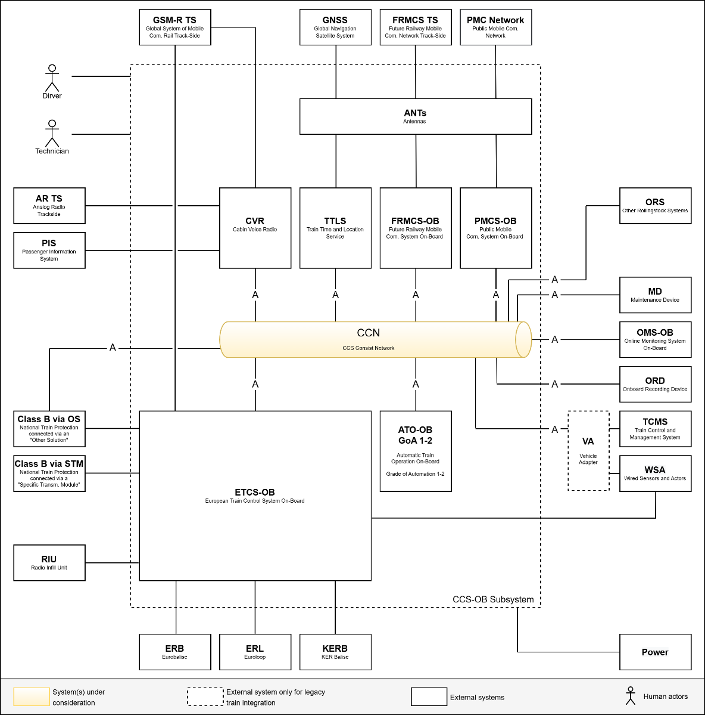
6.2 | Communication requirements
6.2.1 | Communication Technology
CCSOB-3442 | Compliance with SUBSET-147 | The CCN shall provide interfaces compliant with the requirements of SUBSET-147 as defined for "newly developed vehicle designs". Hence, all [A] interfaces shall be compliant with the Ethernet CCS Consist Network as defined in chapter 8 of SUBSET-147. CAN and MVB solutions are not allowed. | n/a | Requirement | * One unambiguous standard on OSI layers 1-2 facilitates interchangeability and expandability | * SUBSET-147 is a mandatory specification of the TSI-CCS. However, the transition regime allows not to be compliant with SUBSET-147 for a certain period of time. * According to SUBSET-147 the standard Ethernet CCS consist network is only mandatory for newly developed vehicle designs. * This requirement closes the ambiguity in the current version of the TSI-CCS and SUBSET-147. * The requirement facilitates interchangeability for life-cycle upgrades. * This requirements facilitates expandability for functional enhancements (e.g. adding ATO).
6.3 | Network component requirements
6.3.1 | Compliance with specifications
CCSOB-3244 | Compliance with OCORA Addendum to SUBSET-147 (CCN) | The CCN shall comply with OCORA-TWS02-030 Addendum to SUBSET-147 (CCN), chapter 2.2 Network Components. | n/a | Requirement | * One unambiguous standard on OSI layers 1-6 facilitates interchangeability and expandability * To have a common transport and session layer specification for CCS process data.
6.3.2 | Internal / background functionality
 | Requirements will be provided in a subsequent release.
6.4 | Support Application Requirements
6.4.1 | Maintenance Device Application
6.4.1.1 | Diagnostics requirements
 | Requirements will be provided in a subsequent release.
6.4.1.2 | Configuration requirements
 | Requirements will be provided in a subsequent release.
6.4.2.1 | Seurity requirements
 | Requirements will be provided in a subsequent release.
6.4.2 | Remote Maintenance Application
6.4.2.1 | Diagnostics requirements
 | Requirements will be provided in a subsequent release.
6.4.2.2 | Configuration requirements
 | Requirements will be provided in a subsequent release.
6.4.2.1 | Seurity requirements
 | Requirements will be provided in a subsequent release.

TTLS
ID | Title | Description | Agreed Values | Classification | Rationale | Remark | Review Feedback
 | System context
CCSOB-3996 | System context and data exchanges |  | n/a | Information | For Information purposes only
 | The following block diagram shows the Train-Time & Location Service (TTLS) in context of the CCS-OB subsystem, and other relevant vehicle and track side systems. The block diagram depicts all data exchange within the scope of the TTLS. All data exchanges for which requirements exist in this document, are identified by a number. Remark: to ensure the readability of the diagram, data exchanges used by multiple systems are depicted in half circles and interfaces offered to multiple systems are depicted in full circles. For a brief description of system(s) under consideration, external systems, and actors, refer to chapter 5 Terms, definitions & abbreviations. When referencing data exchanges in this document, the following format is used: [data exchange ID] e.g. [01]. Unidirectional / bidirectional in the context of the below table refers to the main dataflow and not to the specific protocols used.
 | 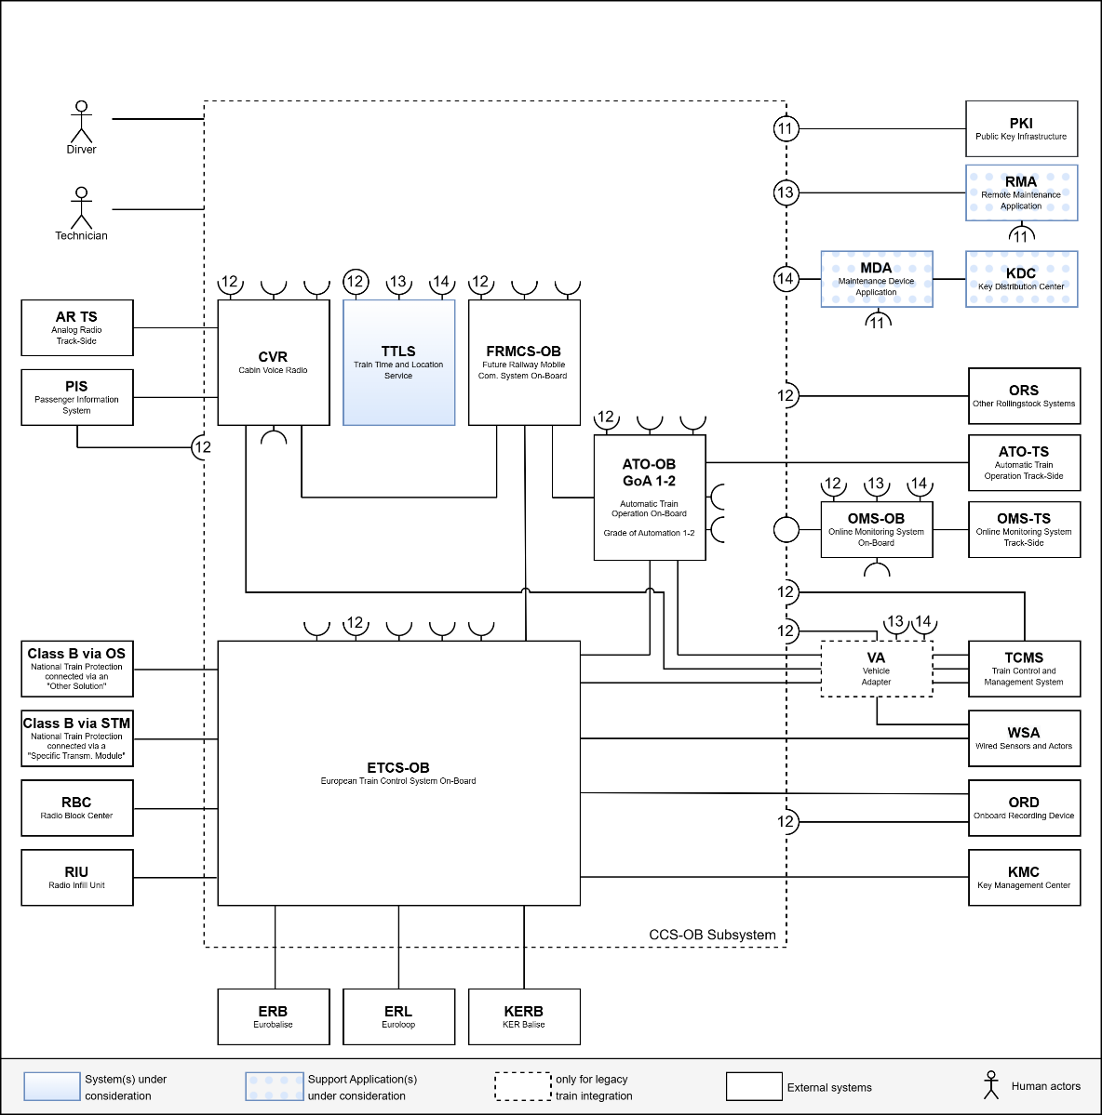 |  |  | 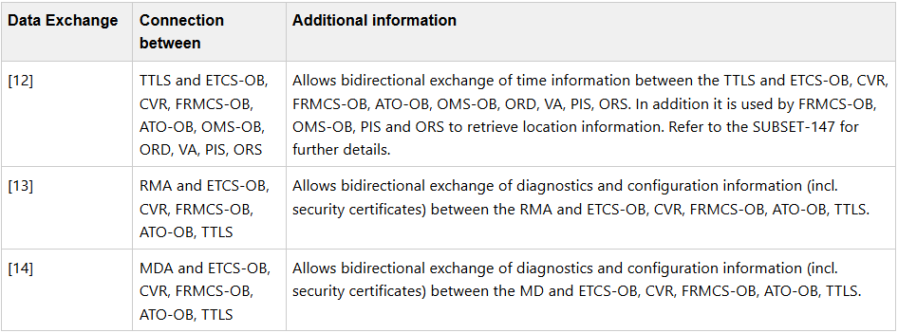
6.2 | Communication requirements
6.2.1 | CCS Consist Network (CCN)
CCSOB-3999 | Compliance with SUBSET-147 | The TTLS shall comply with the requirements of SUBSET-147 as defined for "newly developed vehicle designs" when exchange information over [12], [13] and [14]. Hence, the communication technology shall comply with the Ethernet CCS Consist Network as defined in chapter 8 of SUBSET-147. CAN and MVB solutions are not allowed. | n/a | Requirement | * One unambiguous standard on OSI layers 1-2 facilitates interchangeability and expandability. | * SUBSET-147 is a mandatory specification of the TSI-CCS. However, the transition regime allows not to be compliant with SUBSET-147 for a certain period of time. * According to SUBSET-147 the standard Ethernet CCS consist network is only mandatory for newly developed vehicle designs. * This requirement closes the ambiguity in the current version of the TSI-CCS and SUBSET-147. * The requirement facilitates interchangeability for life-cycle upgrades. * This requirements facilitates expandability for functional enhancements (e.g. adding ATO).
CCSOB-4495 | CCN-Ethernet connected end device | The TTLS shall comply with OCORA-TWS02-030 Addendum to SUBSET-147 (CCN) , chapter 2.1 Connected End Devices. | n/a | Requirement | * One unambiguous standard on OSI layers 3-6 facilitates interchangeability and expandability * To have a common transport and session layer specification for CCS process data.
CCSOB-4496 | Identify and disclose additional data exchanges and communication technologies | Data exchanges utilized by the TTLS that are not represented in the diagram of CCSOB-3996 shall be documented in a Data Exchange Specification, including details on the corresponding communication technology used. | n/a | Requirement | To have all information needed to allow a third party to implement the interface without the assistance of the original supplier
6.2.2 | Data exchanges
CCSOB-4497 | Disclosure of RMA Data Exchange Specification | The supplier shall disclose the Data Exchange Specification (DES) of the data exchange [13] with the RMA. | n/a | Optional Requirement | To have all information needed to allow a third party to implement the interface without the assistance of the original supplier
CCSOB-4498 | Disclosure of MDA Data Exchange Specification | The supplier shall disclose the Data Exchange Specification (DES) of the data exchange [14] with the MDA. | n/a | Optional Requirement | To have all information needed to allow a third party to implement the interface without the assistance of the original supplier
CCSOB-3466 | GNSS antenna interface | The TTLS shall use an externally connected GNSS antenna. | n/a | Requirement | * to allow split installation between TTLS and GNSS antenna. * in order to be able to support combined antennas (FRMCS, GSM-R, GNSS). * to maximize signal reception the antenna needs to be on the roof.
6.3 | System Requirements
6.3.1 | Compliance with specifications
CCSOB-3462 | Compliance with SUBSET-147 TTLS | The TTLS shall comply with SUBSET-147 - CCS Consist Network Communication Layers as defined for "newly developed vehicle designs". | n/a | Requirement | To have a single time service & a single location service for all CCS On-Board systems (e.g., ETCS-OB, ATO-OB). | * SUBSET-147 is a mandatory specification of the TSI-CCS. However, the transition regime allows not to be compliant with SUBSET-147 for a certain period of time. * According to SUBSET-147 the TTLS is only mandatory for newly developed vehicle designs.
CCSOB-3241 | Compliance with OCORA Addendum to SUBSET-147 (TTLS) | The TTLS shall comply with OCORA-TWS02-031 Addendum to SUBSET-147 (TTLS). | n/a | Requirement | * To close gaps of the current version of SUBSET-147 * To have an unambiguous implementation of the TTLS
6.3.2 | Internal / background functionality
 | Requirements will be provided in a subsequent release.
6.4 | Support Application Requirements
6.4.1 | Maintenance Device Application
6.4.1.1 | Diagnostics requirements
 | Requirements will be provided in a subsequent release.
6.4.1.2 | Configuration requirements
 | Requirements will be provided in a subsequent release.
6.4.2.1 | Seurity requirements
 | Requirements will be provided in a subsequent release.
6.4.2 | Remote Maintenance Application
6.4.2.1 | Diagnostics requirements
 | Requirements will be provided in a subsequent release.
6.4.2.2 | Configuration requirements
 | Requirements will be provided in a subsequent release.
6.4.2.1 | Seurity requirements
 | Requirements will be provided in a subsequent release.

OMS-OB
ID | Title | Description | Agreed Values | Classification | Rationale | Remark | Review Feedback
 | System context
CCSOB-3971 | System context and data exchanges |  | n/a | Information | For Information purposes only
 | The following block diagram shows the Online Monitoring System (OMS-OB) in context of the CCS-OB subsystem, and other relevant vehicle and track side systems. The block diagram depicts all data exchange within the scope of OMS-OB. All data exchanges for which requirements exist in this document, are identified by a number. Remark: to ensure the readability of the diagram, data exchanges used by multiple systems are depicted in half circles and interfaces offered to multiple systems are depicted in full circles. For a brief description of system(s) under consideration, external systems, and actors, refer to chapter 5 Terms, definitions & abbreviations. When referencing data exchanges in this document, the following format is used: [data exchange ID] e.g. [01]. Unidirectional / bidirectional in the context of the below table refers to the main dataflow and not to the specific protocols used.
 | 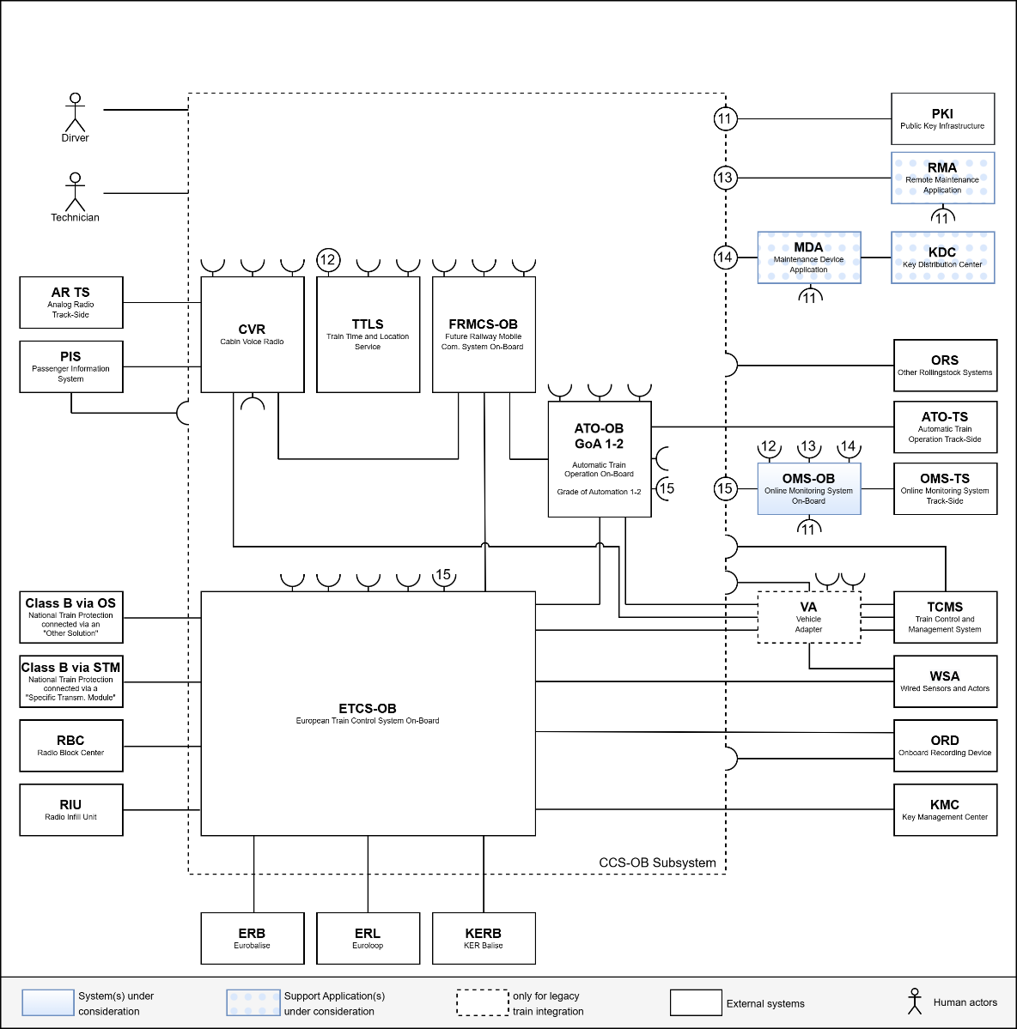 |  |  | 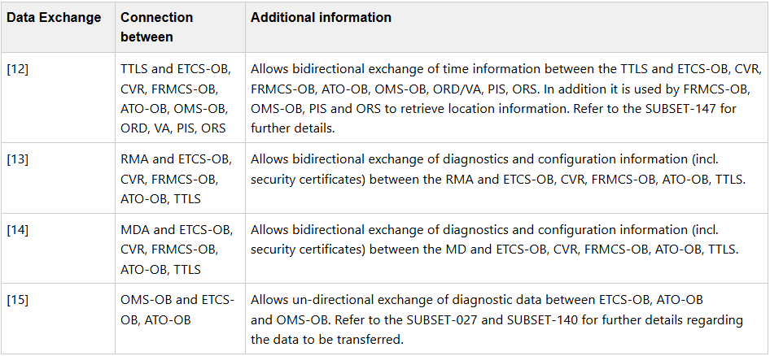
6.2 | Communication requirements
6.2.1 | CCS Consist Network (CCN)
CCSOB-3952 | Compliance with SUBSET-147 | The OMS-OB shall comply with the requirements of SUBSET-147 as defined for "newly developed vehicle designs" when exchange information over [12], [13], [14] and [15] . Hence, the communication technology shall comply with the Ethernet CCS Consist Network as defined in chapter 8 of SUBSET-147. CAN and MVB solutions are not allowed. | n/a | Requirement | One unambiguous standard on OSI layers 1-2 facilitates interchangeability and expandability. | * SUBSET-147 is a mandatory specification of the TSI-CCS. However, the transition regime allows not to be compliant with SUBSET-147 for a certain period of time. * According to SUBSET-147 the standard Ethernet CCS consist network is only mandatory for newly developed vehicle designs. * This requirement closes the ambiguity in the current version of the TSI-CCS and SUBSET-147. * The requirement facilitates interchangeability for life-cycle upgrades. * This requirements facilitates expandability for functional enhancements (e.g. adding ATO).
CCSOB-3956 | CCN-Ethernet connected end device | The OMS-OB shall comply with OCORA-TWS02-030 Addendum to SUBSET-147 (CCN), chapter 2.1 Connected End Devices. | n/a | Requirement | One unambiguous standard on OSI layers 3-6 facilitates interchangeability and expandability.
CCSOB-4481 | Identify and disclose additional data exchanges and communication technologies | Data exchanges utilized by the OMS-OB that are not represented in the diagram of CCSOB-3971 shall be documented in a Data Exchange Specification (DES), including details on the corresponding communication technology used. | n/a | Requirement | To have all information needed to allow a third party to implement the interface without the assistance of the original supplier
6.2.2 | Data Exchanges
CCSOB-4482 | Comply with the time synchronisation protocol | The OMS-OB shall comply with the time synchronisation protocol as defined in SUBSET-147 when synchronising its time via interface [12] with the TTLS. | n/a | Requirement | * Ensures that all systems of the CCS-OB use a common time server and hence have a synchronised time. * Having a common time base is especially helpful when analysing data originating from different systems.
CCSOB-4484 | Disclosure of RMA Data Exchange Specification | The supplier shall disclose the Data Exchange Specification of the data exchange [13] with the RMA. | n/a | Optional Requirement | To have all information needed to allow a third party to implement the interface without the assistance of the original supplier
CCSOB-4485 | Disclosure of MDA Data Exchange Specification | The supplier shall disclose the Data Exchange Specification of the data exchange [14] with the MDA. | n/a | Optional Requirement | To have all information needed to allow a third party to implement the interface without the assistance of the original supplier
CCSOB-4483 | Disclosure of ETCS-OB Data Exchange Specification | The supplier shall disclose the Data Exchange Specification of the data exchange [15] with the ETCS-OB. | n/a | Optional Requirement | * To have all information needed to allow a third party to implement the interface without the assistance of the original supplier. | * Subset-149 defines the mandatory data to be exchanged between ETCS-OB and OMS-OB, however there is also optional data that a supplier may transmit (custom messages). * Subset-149 does not define the layers 3-6 for the exchange of the data between ETCS-OB and OMS-OB.
6.3 | System requirements
6.3.1 | Compliance with specifications
CCSOB-3968 | Compliance with SUBSET-149 | The OMS-OB shall implement the on-board part of the OMS functionality as per SUBSET-149 - Online Monitoring System. | n/a | Requirement | The data provided through OMS-OB can be used by infrastructure to monitor the state of components (e.g. eurobalise, lineside electronic unit, etc.), particularly on line side signalling tracks.
6.3.2 | Internal / background functionality
CCSOB-3964 | Synchonise time with TTLS | The OMS-OB shall synchronise its time with the Train-Time & Location Service (TTLS). | n/a | Requirement | To ensure a common time for all CCS On-Board systems.
CCSOB-3965 | Acquistion of location information from TTLS | The OMS-OB shall acquire non-safe, absolute, 3D location and velocity information from the Train-Time & Location Service (TTLS). | n/a | Requirement | * To reduce the number of localisation systems on a train * To have one common localisation data source
6.4 | Support Application Requirements
6.4.1 | Maintenance Device Application
6.4.1.1 | Diagnostics requirements
 | Requirements will be provided in a subsequent release.
6.4.1.2 | Configuration requirements
 | Requirements will be provided in a subsequent release.
6.4.2.1 | Seurity requirements
 | Requirements will be provided in a subsequent release.
6.4.2 | Remote Maintenance Application
6.4.2.1 | Diagnostics requirements
 | Requirements will be provided in a subsequent release.
6.4.2.2 | Configuration requirements
 | Requirements will be provided in a subsequent release.
6.4.2.1 | Seurity requirements
 | Requirements will be provided in a subsequent release.

VA
ID | Title | Description | Agreed Values | Classification | Rationale | Remark | Review Feedback
 | System context
CCSOB-4004 | System context and data exchanges |  | n/a | Information | For Information purposes only
 | The following block diagram shows the ETCS On-board (ETCS-OB) in context of the CCS-OB subsystem, and other relevant vehicle and track side systems. The block diagram depicts all data exchange within the scope of the ETCS-OB. All data exchanges for which requirements exist in this document, are identified by a number. Remark: to ensure the readability of the diagram, data exchanges used by multiple systems are depicted in half circles and interfaces offered to multiple systems are depicted in full circles. For a brief description of system(s) under consideration, external systems, and actors, refer to chapter 5 Terms, definitions & abbreviations. When referencing data exchanges in this document, the following format is used: [data exchange ID] e.g. [01]. Unidirectional / bidirectional in the context of the below table refers to the main dataflow and not to the specific protocols used.
 | 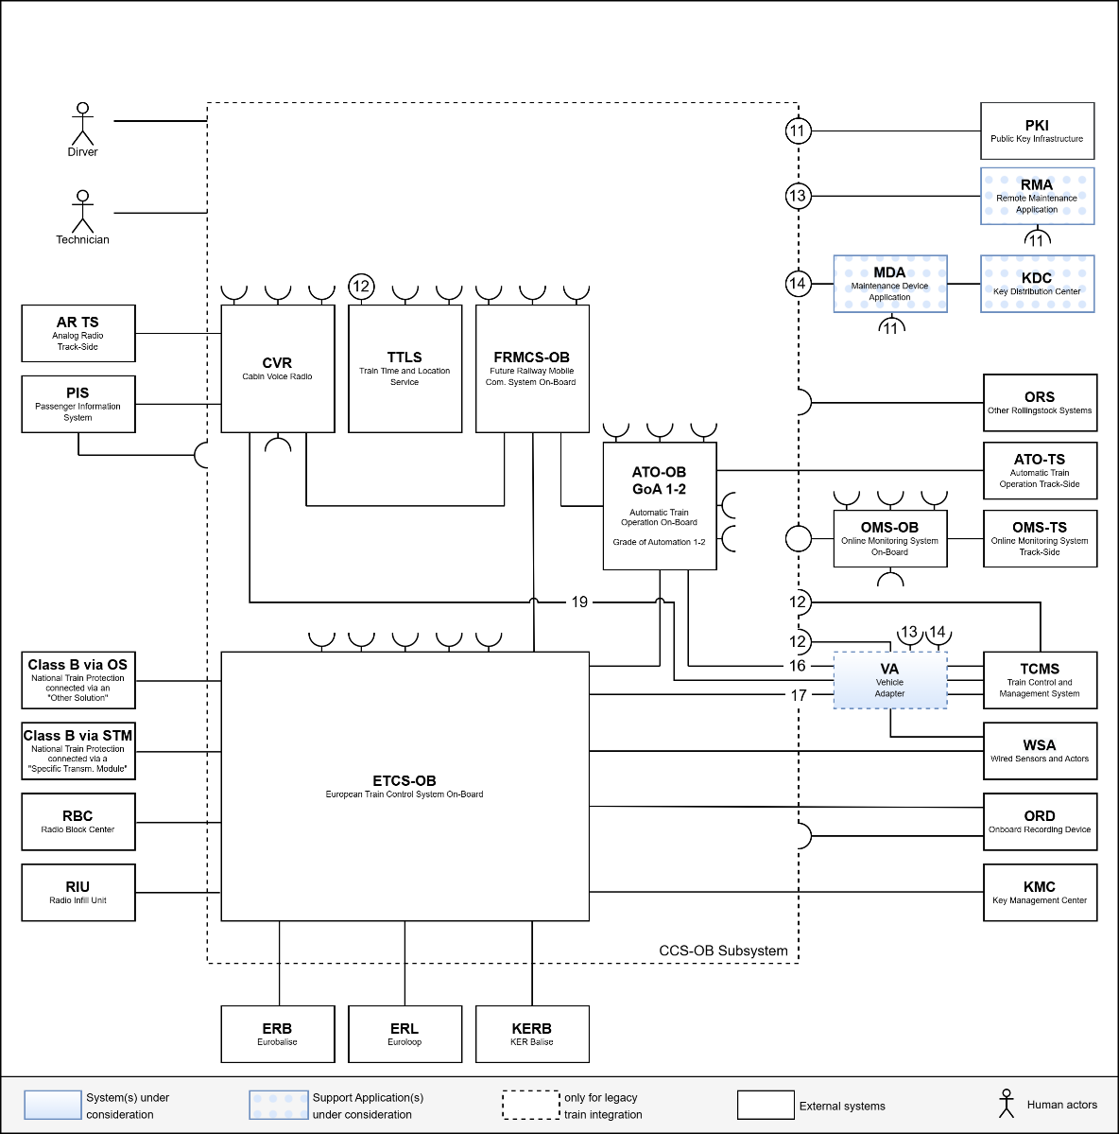 |  |  | 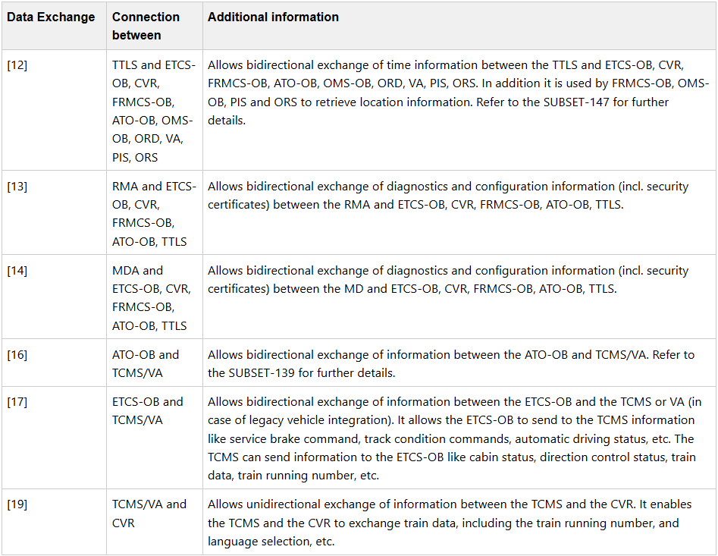
6.2 | Communication Requirements
6.2.1 | CCS Consist Network (CCN)
CCSOB-4513 | Identify and disclose additional data exchanges and communication technologies | Data exchanges utilized by the VA that are not represented in the diagram of CCSOB-4004 shall be documented in a Data Exchange Specification, including details on the corresponding communication technology used. | n/a | Requirement | To have all information needed to allow a third party to implement the interface without the assistance of the original supplier
6.2.2 | Data exchanges
CCSOB-3866 | Configuration documentation | The configuration of the VA shall be documented using the CCSOB-3865 - OCORA-TWS04-021 - Generic Vehicle Adaptor Mapping Table Template for all variables and telegrams exchanged via the interfaces [16] and [17]. | n/a | Requirement | To have a the full project specific configuration documentation.
6.3 | System requirements
CCSOB-4316 | Compliance with OCORA Generic Vehicle Adapter Requirements Specification | The VA shall comply with CCSOB-4315 - OCORA-TWS04-020 Generic Vehicle Adapter - Requirements Specification. | n/a | Requirement | To allow the use of standardised CCS-OB products even in legacy trains

